Welcome
Content begins in cell B2, and then continues as you move down to B3, and so on. Instructions also indicate which cells to navigate to for use of a feature or further reading. To start, use your arrow keys to move to cell B2.
 | Machine learning tools with Python in Excel

 | Make smarter decisions with your data using machine learning techniques with Python in Excel. With just a few steps, you can use the scikit-learn library to categorize data, spot key patterns, and uncover insights—no complicated setup needed. Just apply the models, explore the results, and bring your data to life with easy-to-read visualizations, all within your Excel workbook.

 | Note: Use of this template requires an active Microsoft 365 subscription.

Start >

K-means clustering
Content begins in cell B2, and then continues as you move down to B3, and so on. Instructions also indicate which cells to navigate to for use of a feature or further reading. To start, use your arrow keys to move to cell B2.
 | K-means clustering

 | GOOD TO KNOW
 | K-means clustering is an unsupervised machine learning algorithm that groups similar data points into clusters. In this example, the Iris dataset contains measurements of iris flowers from three species. The goal is to partition the data into groups with shared characteristics.
 | Learn more.

 | 1. Define the number of clusters |  | 2. Visualize the clusters

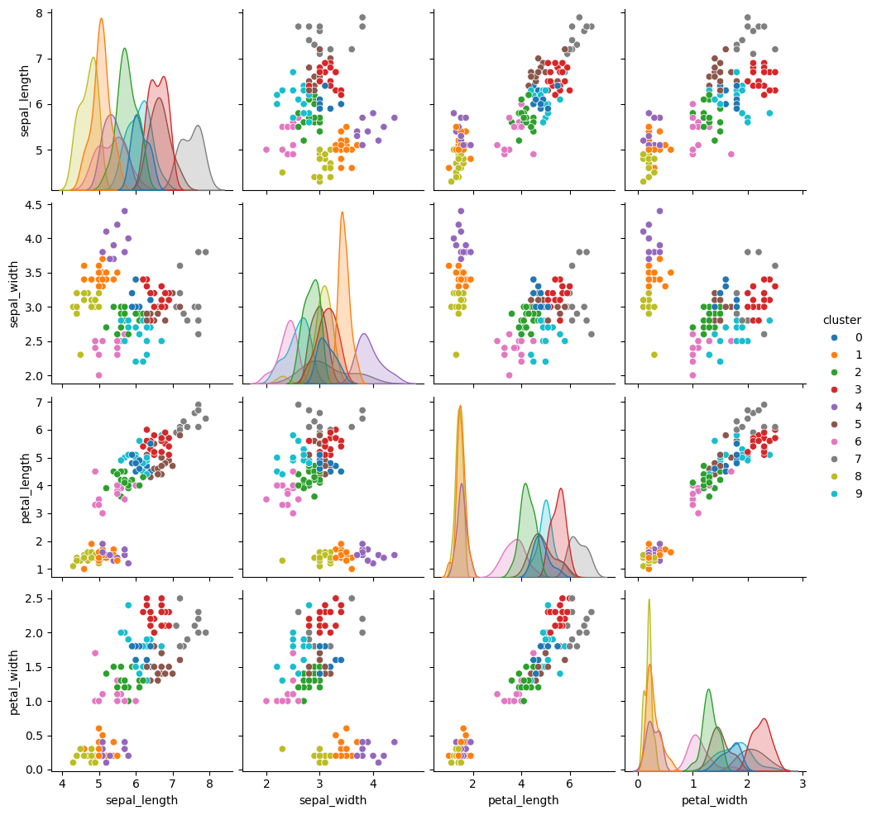
 | TIP |  | Select cell Q11 to see the Python formula ---------->
 | Use the elbow method to find the optimal number of clusters. Look for the elbow point where the graph sharply changes from steep to flat.

 | Select cell G14 to see the Python formula ---------->
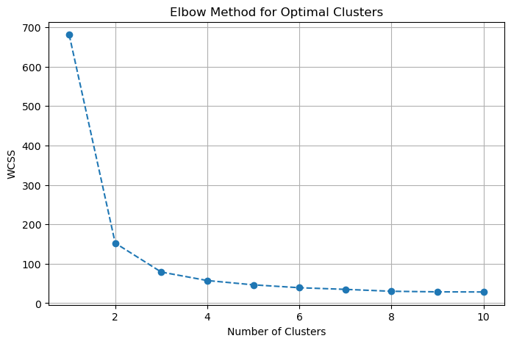

 | TRY HERE
 | n_clusters: | 10

Logistic regression
Content begins in cell B2, and then continues as you move down to B3, and so on. Instructions also indicate which cells to navigate to for use of a feature or further reading. To start, use your arrow keys to move to cell B2.
 | Logistic regression

 | GOOD TO KNOW
 | Logistic regression is a supervised machine learning algorithm used for classification tasks. In this example, the Iris dataset contains measurements of iris flowers from three species. The goal is to predict a flower's species (setosa, versicolor, or virginica) based on its features (sepal length, sepal width, petal length, and petal width).
 | Learn more.

 | 1. Define the train split percentage |  | 2. Visualize the model's performance

 | TIP |  | Select cell P11 to see the sample Python formula -----> | GOOD TO KNOW
 | A train-test split is needed for this model. The training set teaches the model using examples with known species, while the testing set evaluates its performance on new, unseen data. |  |  | The confusion matrix provides a detailed breakdown of the model's performance by comparing the true labels with the predicted labels for each variable. The chart shows the counts of true positives (TP), true negatives (TN), false positives (FP), and false negatives (FN).
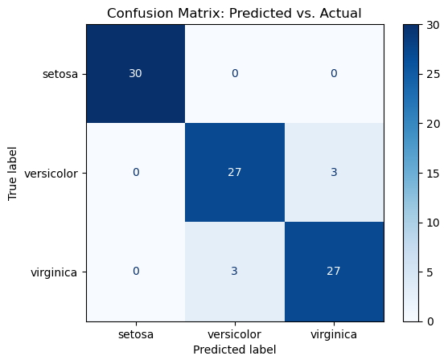

 | TRY HERE |  |  |  |  | predicted |  |  | Definitions
 | train percentage split: | 40 |  |  |  | A | B | C | TP: Actual class matches predicted class
 |  |  |  | actual | A | TP | FN | FN | FN: Actual class is positive but predicted as another class
 | Based on the input percentage, the data will be split as: 40% train, 60% test. |  |  |  | B | FP | TP | TN | FP: Actual class is negative but predicted as positive
 |  |  |  |  | C | FP | FP | TP

Random forest
Content begins in cell B2, and then continues as you move down to B3, and so on. Instructions also indicate which cells to navigate to for use of a feature or further reading. To start, use your arrow keys to move to cell B2.
 | Random forest

 | GOOD TO KNOW
 | Random forest is a supervised machine learning algorithm used for classification and feature importance. It combines multiple decision trees to make predictions, essentially a "forest" of trees working together. Each tree in the forest is trained on a random subset of the data and considers a random subset of features when making splits, a process called randomization. In this example, the Iris dataset contains measurements of iris flowers from three species. The goal is to determine which features (sepal length, sepal width, petal length, and petal width) are most important in predicting the species (setosa, versicolor, or virginica).
 | Learn more.

 | 1. Define the number of trees |  | 2. Your features below

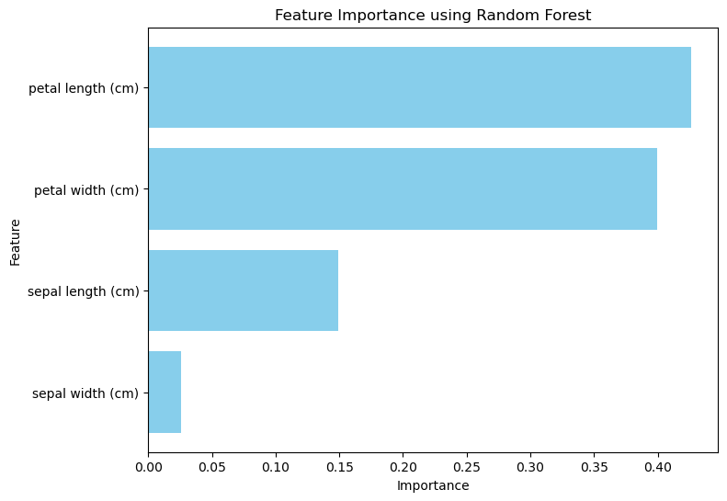
 | TRY HERE |  | Select cell O10 to see the sample Python formula -------->
 | tree count: | 10

 | TIP
 | Experiment with different tree counts to see how it affects the model's feature importance shown in step 2.

